1. Title Page
Instacart Research and Profiles

Project Name: Instacart Research and Profiles
Date: August 2022
Analyst Name: Rachel Allen

Contents:
Population Flow
Consistency checks
Wrangling steps
Column derivations
Visualizations
Recommendations
Data Citations
Crosstabs

“The Instacart Online Grocery Shopping Dataset 2017”, Accessed from https://www.instacart.com/datasets/grocery-shopping-2017 on 08/05/2022
The customer data explored here, as well as the “prices” column in the products data set, were fabricated for the purpose of this course.

2. Population Flow
 |  |  | Title page

Population flow

Exclusion flag
Condition: max_order <
Obervations to be removed: items priced > $100
Final total count of order_products_all: 32435070

Orders_products_combined
Orders_products_merged
Orders_products_all

Total:
Total:
Total:
32434489 | 32435070 | 32435070

1.) The grey boxes in the first row of the population flow represent the original data sets as they were when you downloaded them. In the Total fields you need to add the count of the rows when you imported the data set into Jupyter.
2.) The second row of boxes (coloured) represents the data sets after you manipulated them, e.g., removed missing values and duplicates. In the Total fields you need to add the count of the rows after conducting these operations. This offers a visual oveview of how the data flows throughout the data consistency checks.
3.) The third row, where also the arrows are coloured, represents the merges you performed between the datasets. In the Total fields you need to add the count of the rows in the merged datasets, so that you end up with the final dataset (in the red box). Keep in mind the final dataset should be without exclusions (based on the exclusion flag).

3. Consistency checks
 |  |  |  | Title page
Consistency checks

Dataset | Missing values | Missing values treatment | Duplicates
orders | days since prior order' NaN 206209
products | product_name' NaN 16
orders_products_prior | none
customers

products | 33666 33664 2 % Reduced Fat Milk 84 16 price: 99999.0
customers | first name: 11259 | create flag | none
orders_products_all | Oregon | added oregon
orders_products_all | dropped prices > $100
orders_products_all | crosstab spending with region
orders_products_all | crosstab fam_status with profile
orders_products_all | crosstab profile with region | 6626488 listed as "other," create new profiiles
orders_products_all | crosstab profile with department_id | Nan 11
orders_products_all | crosstab profile update with region
orders_products_all | crosstab profile update with department_id

4. Wrangling steps
 |  |  |  | Title page
Wrangling steps

Columns dropped | Columns renamed | Columns' type changed | Comment/Reason
df_ords dropped 'prior' | order_dow : order_day_of_week | order_hour to STR | no need for 'prior' column
 | order_hour_of_day: order_hour | order_day_of_week to STR | simplification
 | customer: Surnam --> Last name |  | Surnam is confusing
 | customer: STATE --> State |  | no need for all caps
 |  | customer: First Name to STR | it was mixed type
Ask client to drop first name/last name |  |  | PII

5. Column derivations
 |  |  |  | Title page

Column derivations and aggregations

In this tab you should add tables below that the frequences of flags/label variables that you produced after deriving them. NB: don't do this for continuous variables, only for flags.
Dataset | New column | Column/s it was derived from | Conditions
orders_products_combined | _merge' |  | both/left/right
orders_products_merged | Exists' | _merge | both/left/right
orders_prepared | flagged | days_since_previous_order | No Previous Order or Previous Order
ords_prods_merged_updated | price_range_loc | prices | <= 5 'low range product', 5 to 15 'mid range product', above 15 'high range product'
ords_prods_merged_updated | busiest_day | order_day_of_week | 0 = busiest day, 4 = least busy, other = regular busy
ords_prods_merged_updated | busiest_days | order_day_of_week | 0 and 1 = busiest days, 3 or 4 = least busy days, other = regular busy
ords_prods_merged_updated | busiest_period_of_day | order_hour | 10 and 11 = most orders, 2, 3, 4 = fewest orders, other = average orders
ords_prods_merged_updated_2 | mean_order | prices | mean
ords_prods_merged_updated_3 | max_order | prices | max
ords_prods_merged_updated_5 | mean_spending | prices | mean
ords_prods_merged_updated_6 | spending_flag | mean_spending | < 10 = low spender, >= 10 high spender
ords_prods_merged_updated_7 | median_days_since_prior | days_since_previous_order | median
ords_prods_merged_updated_8 | frequency_flag | median_days_since_prior | > 20 = non-frequent customer, >=10 and < 20 Regular customer, <1- frequent customer
customer | No missing name | First Name | if First Name = Nan = Missing Name
orders_products_final | region | state | based on these regions https://simple.wikipedia.org/wiki/List_of_regions_of_the_United_States
orders_products_final | profileupdate | age, region, income, n_dependants, fam_status, department_id | Younger/older <= 30
 |  |  | married/widowed/divorced or single
 |  |  | regions
 |  |  | n_dependants >= 1
 |  |  | income > median (96612)
 |  |  | department_id 5 = buys alcohol
 |  |  | department_id 18 = babies

6. Visualizations
 |  |  |  |  |  |  |  |  |  |  |  |  |  |  |  | Title page

Visualisations

In this tab you should include all the visualtions from Exercises 4.9 and 4.10, alongside the questions from the project brief that they answer. Include any commentary on the relationship between different variables.


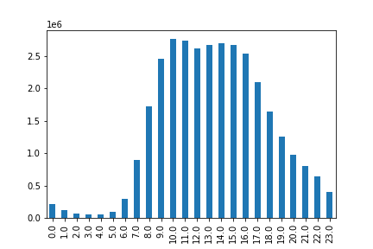
 |  |  | Busiest days of week |  |  |  |  |  |  |  | busiest hours of the day

 |  |  |  |  |  |  |  |  |  |  |  |  |  |  |  |  |  |  | Key question:
 |  |  |  |  |  |  |  |  |  |  |  |  |  |  |  |  |  |  | The sales team needs to know what the busiest days of the week and hours of the day are (i.e., the days and times with the most orders) in order to schedule ads at times when there are fewer orders.

 |  |  |  |  |  |  |  |  |  |  |  |  |  |  |  |  |  |  | Analysis: the busiest days for shopping are Saturday, Sunday and Friday (0, 1, 6)

 |  |  |  |  |  |  |  |  |  |  |  |  |  |  |  |  |  |  | The busiest hours for shopping are from 8 am to 5 pm.

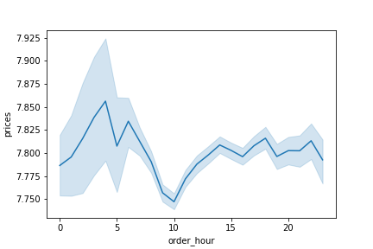

 |  |  |  |  |  |  |  |  |  |  |  |  |  |  |  |  |  |  | Key question:

 |  |  |  |  |  |  |  |  |  |  |  |  |  |  |  |  |  |  | Are there particular times of the day when people spend the most money?

 |  |  |  |  |  |  |  |  |  |  |  |  |  |  |  |  |  |  | Analysis: The most expensive items are purcahsed from 4 - 6 am and around 11 pm.

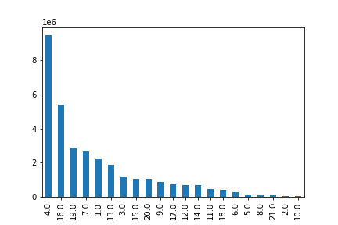

 |  |  |  |  |  |  |  |  |  |  |  |  |  |  |  |  |  |  | Key question:

 |  |  |  |  |  |  |  |  |  |  |  |  |  |  |  |  |  |  | Which departments have the highest frequency of product orders?

 |  |  |  |  |  |  |  |  |  |  |  |  |  |  |  |  |  |  | Analysis: 4 (produce), 16 ( dairy eggs), 19 (snacks), 7 (beverages), 1 (frozen)

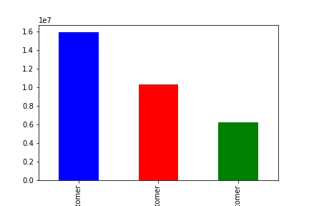

 |  |  |  |  |  |  |  |  |  |  |  |  |  |  |  |  |  |  | Key question:
 |  |  |  |  |  |  |  |  |  |  |  |  |  |  |  |  |  |  | What’s the distribution among users in regards to their brand loyalty ?

 |  |  |  |  |  |  |  |  |  |  |  |  |  |  |  |  |  |  | Analysis: blue = regular customer
 |  |  |  |  |  |  |  |  |  |  |  |  |  |  |  |  |  |  | Red = loyal customer
 |  |  |  |  |  |  |  |  |  |  |  |  |  |  |  |  |  |  | Green = new customer

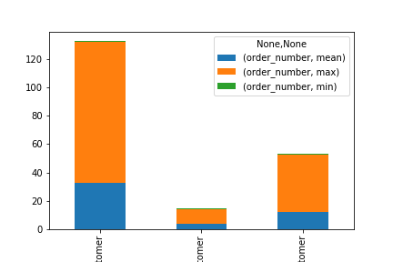

 |  |  |  |  |  |  |  |  |  |  |  |  |  |  |  |  |  |  | Key question:

 |  |  |  |  |  |  |  |  |  |  |  |  |  |  |  |  |  |  | Are there differences in ordering habits based on a customer’s loyalty status?

 |  |  |  |  |  |  |  |  |  |  |  |  |  |  |  |  |  |  | Left to right: loyal, new, regular customers

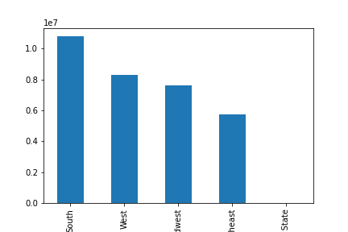

 |  |  |  |  |  |  |  |  |  |  |  |  |  |  |  |  |  |  | Where are our customers?

 |  |  |  |  |  |  |  |  |  |  |  |  |  |  |  |  |  |  | Analysis: the majority of our customers are in the South and the Pacific West

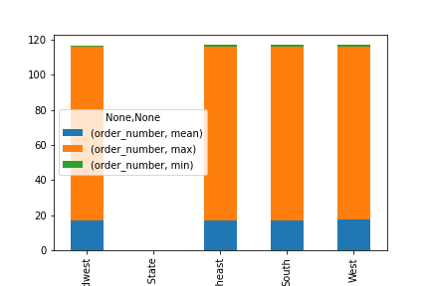

 |  |  |  |  |  |  |  |  |  |  |  |  |  |  |  |  |  |  | Key question: Are there differences in ordering habits based on a customer’s region?

 |  |  |  |  |  |  |  |  |  |  |  |  |  |  |  |  |  |  | Analysis: Not appreciably different

 |  |  |  | Age and order mean
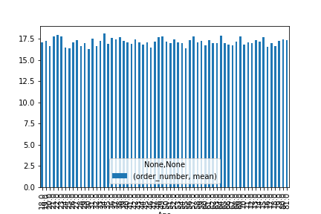
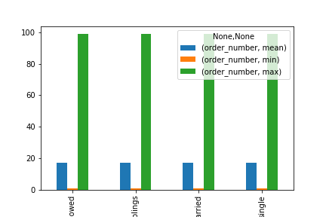

 |  |  |  |  |  |  |  |  |  |  |  |  |  |  |  |  |  |  | Key question:

 |  |  |  |  |  |  |  |  |  |  |  |  |  |  |  |  |  |  | Is there a connection between age and family status in terms of ordering habits?

 |  |  |  |  |  |  |  |  |  |  |  |  |  |  |  |  |  |  | Analysis: although it changes by age the differences are not significant

 |  |  |  |  |  |  |  |  |  |  |  |  |  |  |  |  |  |  | Analysis: family status doesn't seemto change order number significantly

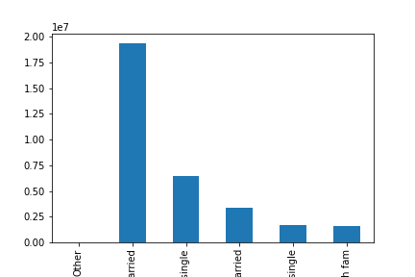

 |  |  |  |  |  |  |  |  |  |  |  |  |  |  |  |  |  |  | Key question:

 |  |  |  |  |  |  |  |  |  |  |  |  |  |  |  |  |  |  | What different classifications does the demographic information suggest? Age? Income? Certain types of goods? Family status?

 |  |  |  |  |  |  |  |  |  |  |  |  |  |  |  |  |  |  | Analysis:
 |  |  |  |  |  |  |  |  |  |  |  |  |  |  |  |  |  |  | Our customers are mostly over 30 and married, followd by over 30 and single, then under 30 and married, then under 30 and single, and finally under 30 and living with family

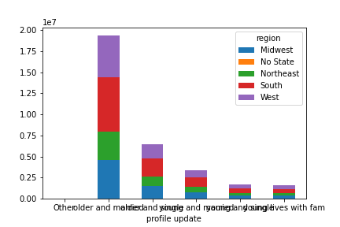

 |  |  |  |  |  |  |  |  |  |  |  |  |  |  |  |  |  |  | Using these classifications we can see that the majority of our customers who are older and married live in the South, followed the West and Midwest

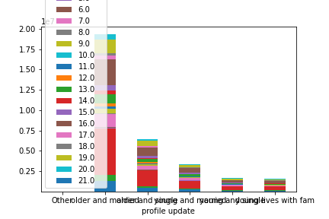

 |  |  |  |  |  |  |  |  |  |  |  |  |  |  |  |  |  |  | Further, we can break down these profiles based on which items they order the most frequently

 |  |  |  |  |  |  |  |  |  |  |  |  |  |  |  |  |  |  | See below for numbers

What goods are they shopping for?
 | 1 | 2 | 3 | 4 | 5 | 6 | 7 | 8 | 9 | 10 | 11 | 12 | 13 | 14 | 15 | 16 | 17 | 18 | 19 | 20 | 21
older and married | 1333770 | 21214 | 699077 | 5662233 | 89711 | 160238 | 1607511 | 57577 | 517685 | 20855 | 267258 | 426140 | 1122755 | 419591 | 637683 | 3220295 | 445439 | 253417 | 1722774 | 625920 | 41143
older and single | 446504 | 7338 | 234972 | 1892164 | 31590 | 53598 | 537731 | 19531 | 170535 | 6552 | 89061 | 138793 | 371673 | 139189 | 210448 | 1077055 | 143450 | 83414 | 574292 | 211931 | 13393
young and married | 235280 | 3991 | 122804 | 991985 | 15971 | 28228 | 281541 | 9936 | 91978 | 3766 | 46996 | 74722 | 195585 | 74134 | 114347 | 568303 | 77228 | 43745 | 306815 | 109769 | 7343
young and single | 110656 | 1837 | 59433 | 483281 | 7528 | 14115 | 136711 | 5052 | 44727 | 1726 | 22945 | 35291 | 95084 | 35388 | 54390 | 272307 | 37323 | 23080 | 146506 | 53214 | 3695
young lives with fam | 108533 | 1911 | 56142 | 449628 | 8896 | 13074 | 124629 | 5620 | 41702 | 1674 | 21312 | 33981 | 90272 | 34731 | 51190 | 260787 | 35226 | 20146 | 137163 | 50415 | 3571

 | frozen | other | bakery | produce | alcohol | international | beverages | pets | dry goods pasta | bulk | personal care | meat seafood | pantry | breakfast | canned goods | dairy eggs | household | babies | snacks | deli | missing

7. Recommendations
 |  |  |  |  |  |  |  |  |  |  |  |  |  |  |  | Title page

Recommendations

In this tab you should include any recommendations you would made to Instcart in terms of their marketing strategy based on the questions posed in the brief. Every key question has been covered in the Tasks of the Exercises - here you need to add an item - a visualisation or table/crosstable that is showing the answer in the data, acompanied by a comment from you. Please, list the questions below and add the answer underneath.

 | Question |  | Answer
 | Key Question 1 : What are the busiest hours of the week for shopping? |  | The busiest days for shopping are Saturday, Sunday and Friday (0, 1, 6)
 |  |  | Instacart should target ads for these days.
 | Key Question 2: What are the busiest hours for shopping? |  | The busiest hours for shopping are from 8 am to 5 pm.
 |  |  | Instacart should target ads for these hours.
 | Key Question 3: Are there particular times of the day when people spend the most money? |  | Analysis: The most expensive items are purchased from 4 - 6 am and around 11 pm.
 |  |  | Instacart should target ads for these hours.
 | Key Question 4: Which departments have the highest frequency of product orders? |  | Analysis: 4 (produce), 16 ( dairy eggs), 19 (snacks), 7 (beverages), 1 (frozen)
 |  |  | Instacart should consider coupons for these items to help sell other items.
 | Key Question 5: What’s the distribution among users in regards to their brand loyalty ? Are there differences in ordering habits based on a customer’s loyalty status? |  | Analysis: blue = regular customer, red = loyal customer, green = new customer. Left to right: loyal, new, regular customers
 |  |  | Instacart has mostly regular customers, and should find ways to move regular customers into the loyal categor, as loyal customers make many more purchases.
 | Key Question 6:Are there differences in ordering habits based on a customer’s region? |  | Analysis: Not appreciably different

 | Key Question 7: What different classifications does the demographic information suggest? Age? Income? Certain types of goods? Family status? |  | Our customers are mostly over 30 and married, followd by over 30 and single, then under 30 and married, then under 30 and single, and finally under 30 and living with family

 |  |  | Using these classifications we can see that the majority of our customers who are older and married live in the South, followed the West and Midwest

 |  |  | Further, we can break down these profiles based on which items they order the most frequently

What goods are they shopping for? |  | Top selling goods are higlighted in yellow, lowest-selling goods are pink
 | 1 | 2 | 3 | 4 | 5 | 6 | 7 | 8 | 9 | 10 | 11 | 12 | 13 | 14 | 15 | 16 | 17 | 18 | 19 | 20 | 21
older and married | 1333770 | 21214 | 699077 | 5662233 | 89711 | 160238 | 1607511 | 57577 | 517685 | 20855 | 267258 | 426140 | 1122755 | 419591 | 637683 | 3220295 | 445439 | 253417 | 1722774 | 625920 | 41143
older and single | 446504 | 7338 | 234972 | 1892164 | 31590 | 53598 | 537731 | 19531 | 170535 | 6552 | 89061 | 138793 | 371673 | 139189 | 210448 | 1077055 | 143450 | 83414 | 574292 | 211931 | 13393
young and married | 235280 | 3991 | 122804 | 991985 | 15971 | 28228 | 281541 | 9936 | 91978 | 3766 | 46996 | 74722 | 195585 | 74134 | 114347 | 568303 | 77228 | 43745 | 306815 | 109769 | 7343
young and single | 110656 | 1837 | 59433 | 483281 | 7528 | 14115 | 136711 | 5052 | 44727 | 1726 | 22945 | 35291 | 95084 | 35388 | 54390 | 272307 | 37323 | 23080 | 146506 | 53214 | 3695
young lives with fam | 108533 | 1911 | 56142 | 449628 | 8896 | 13074 | 124629 | 5620 | 41702 | 1674 | 21312 | 33981 | 90272 | 34731 | 51190 | 260787 | 35226 | 20146 | 137163 | 50415 | 3571

 | frozen | other | bakery | produce | alcohol | international | beverages | pets | dry goods pasta | bulk | personal care | meat seafood | pantry | breakfast | canned goods | dairy eggs | household | babies | snacks | deli | missing

